Final RE Marketing Plan
Real Estate Marketing Plan 2017
********How to use this template********
Feel free to edit, delete or add any text, graphics or formulas from this real estate marketing plan. Remember, this is a living document that you will evolve as your business grows.

************************************************

Overall Objectives & Goals

Actual Performance 2016 — Income
Number of deals closed | 0
Average listing price | $0.00
Number of buyer clients closed | 0
Number of seller clients closed | 0
Sales volume | $4,000,000.00
Gross Commission Income (GCI) | $750,000.00
Gross Income | $600,000.00

Total marketing costs | $50,000.00
Net income | $550,000.00

Goals for 2017— Income
Number of deals closed | 0
Average listing price | $0.00
Number of buyer clients closed | 0
Number of seller clients closed | 0
Sales volume | $0.00
Gross Commission Income (GCI) | $0.00
Gross Income | $0.00

Total marketing costs | $0.00
Net income | $0.00

General Marketing Goals

How we’ll do it
Goal |  |  | How I’ll achieve this goal

Target Buyer Client Persona

Add target buyer client persona description here

Location:

Age:

Combined Income:

Home buying experience: Family size:

Common Interests/hobbies: Interested in:

Political affiliation:

Target Seller Client Persona

Add target buyer client persona description here

Location:

Age:

Combined income:

Home selling experience:

Family size:

Common Interests:

Political affiliation:

Geographic Farm Area

Farm Area Demographics

Married:

Primary language:

Political affiliation:

Household income distribution:
Insert Image Here

Sample household income distribution:

Graph via: http://www.areavibes.com

Home Prices/Values

Include data on home prices/values here.
Insert Image Here

Sample home price/value data below.
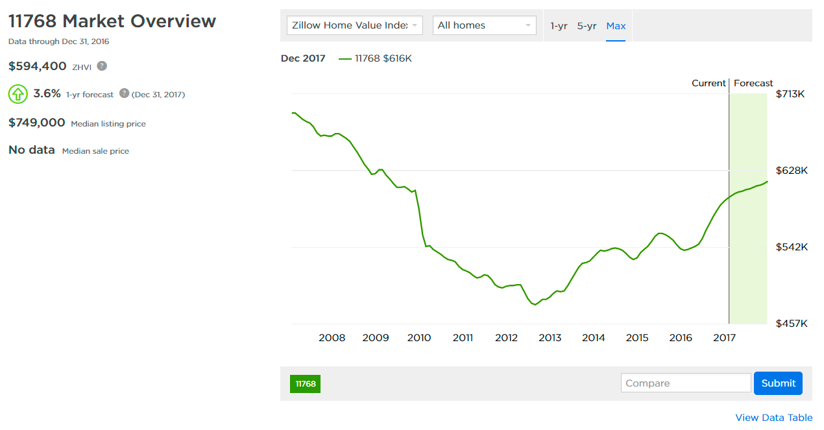
Data and charts from zillow.com

Market Competition
Company Name:

Add Company Logo Here

Average number of listings per month:

Deals closed 2016:

Average listing price:

Percentage of market:

Marketing

Website:

Listings:

Zillow Premier Agent Direct: Link to example ad

Newspaper ads:
Add picture of print ads here

Facebook ad:
Add picture of print ads here

Adwords ad:
Add picture of print ads here

Landing page:
Add picture of print ads here

Print ad:
Add picture of print ads here

Slogan/tagline:

What they’re doing right

Add text here

What they’re doing wrong

Add text here

Our Value Proposition: What We do better than the competition

Projected Marketing Budget & Vendor Comparison

Vendors/service providers | Monthly cost | Yearly cost | # of leads per year | Cost per lead | #closed deals | Net profit | ROI
Digital Marketing
Zillow Premier Agent (learn more)
Listing ads | $0.00 | $1.00 | 0 | $0.00 | 0 | $0.00 | 0.00%
Premier Agent Direct | $0.00 | $1.00 | 0 | $0.00 | 0 | $0.00 | 0.00%
Seller Boost | $0.00 | $1.00 | 0 | $0.00 | 0 | $0.00 | 0.00%
Lead generation service (learn more) | $0.00 | $1.00 | 0 | $0.00 | 0 | $0.00 | 0.00%
CRM (learn more) | $0.00 | $1.00 | 0 | $0.00 | 0 | $0.00 | 0.00%
Email marketing software (learn more) | $0.00 | $1.00 | 0 | $0.00 | 0 | $0.00 | 0.00%
PPC advertising
Google Adwords (learn more) | $0.00 | $1.00 | 0 | $0.00 | 0 | $0.00 | 0.00%
Facebook (learn more) | $0.00 | $1.00 | 0 | $0.00 | 0 | $0.00 | 0.00%
Traditional marketing
Direct Mail (learn more) | $0.00 | $1.00 | 0 | $0.00 | 0 | $0.00 | 0.00%
Door Hangers (learn more) | $0.00 | $1.00 | 0 | $0.00 | 0 | $0.00 | 0.00%
Open house/for sale signage (learn more) | $0.00 | $1.00 | 0 | $0.00 | 0 | $0.00 | 0.00%
Door Knocking (learn more) | $0.00 | $1.00 | 0 | $0.00 | 0 | $0.00 | 0.00%

Total | $0.00 | $12.00 | $0.00 | $0.00 | $0.00 | $0.00

Staffing

Name | Function | Hourly Rate | Hours per month | Hours per year | Yearly cost
 |  | $0.00 | 0 | 0 | $0.00
 |  | $0.00 | 0 | 0 | $0.00
 |  | $0.00 | 0 | 0 | $0.00
 |  | $0.00 | 0 | 0 | $0.00
Total |  | $0.00 | 0 | 0 | $0.00

Marketing Calendar

Link here

