Business Goals & Needs
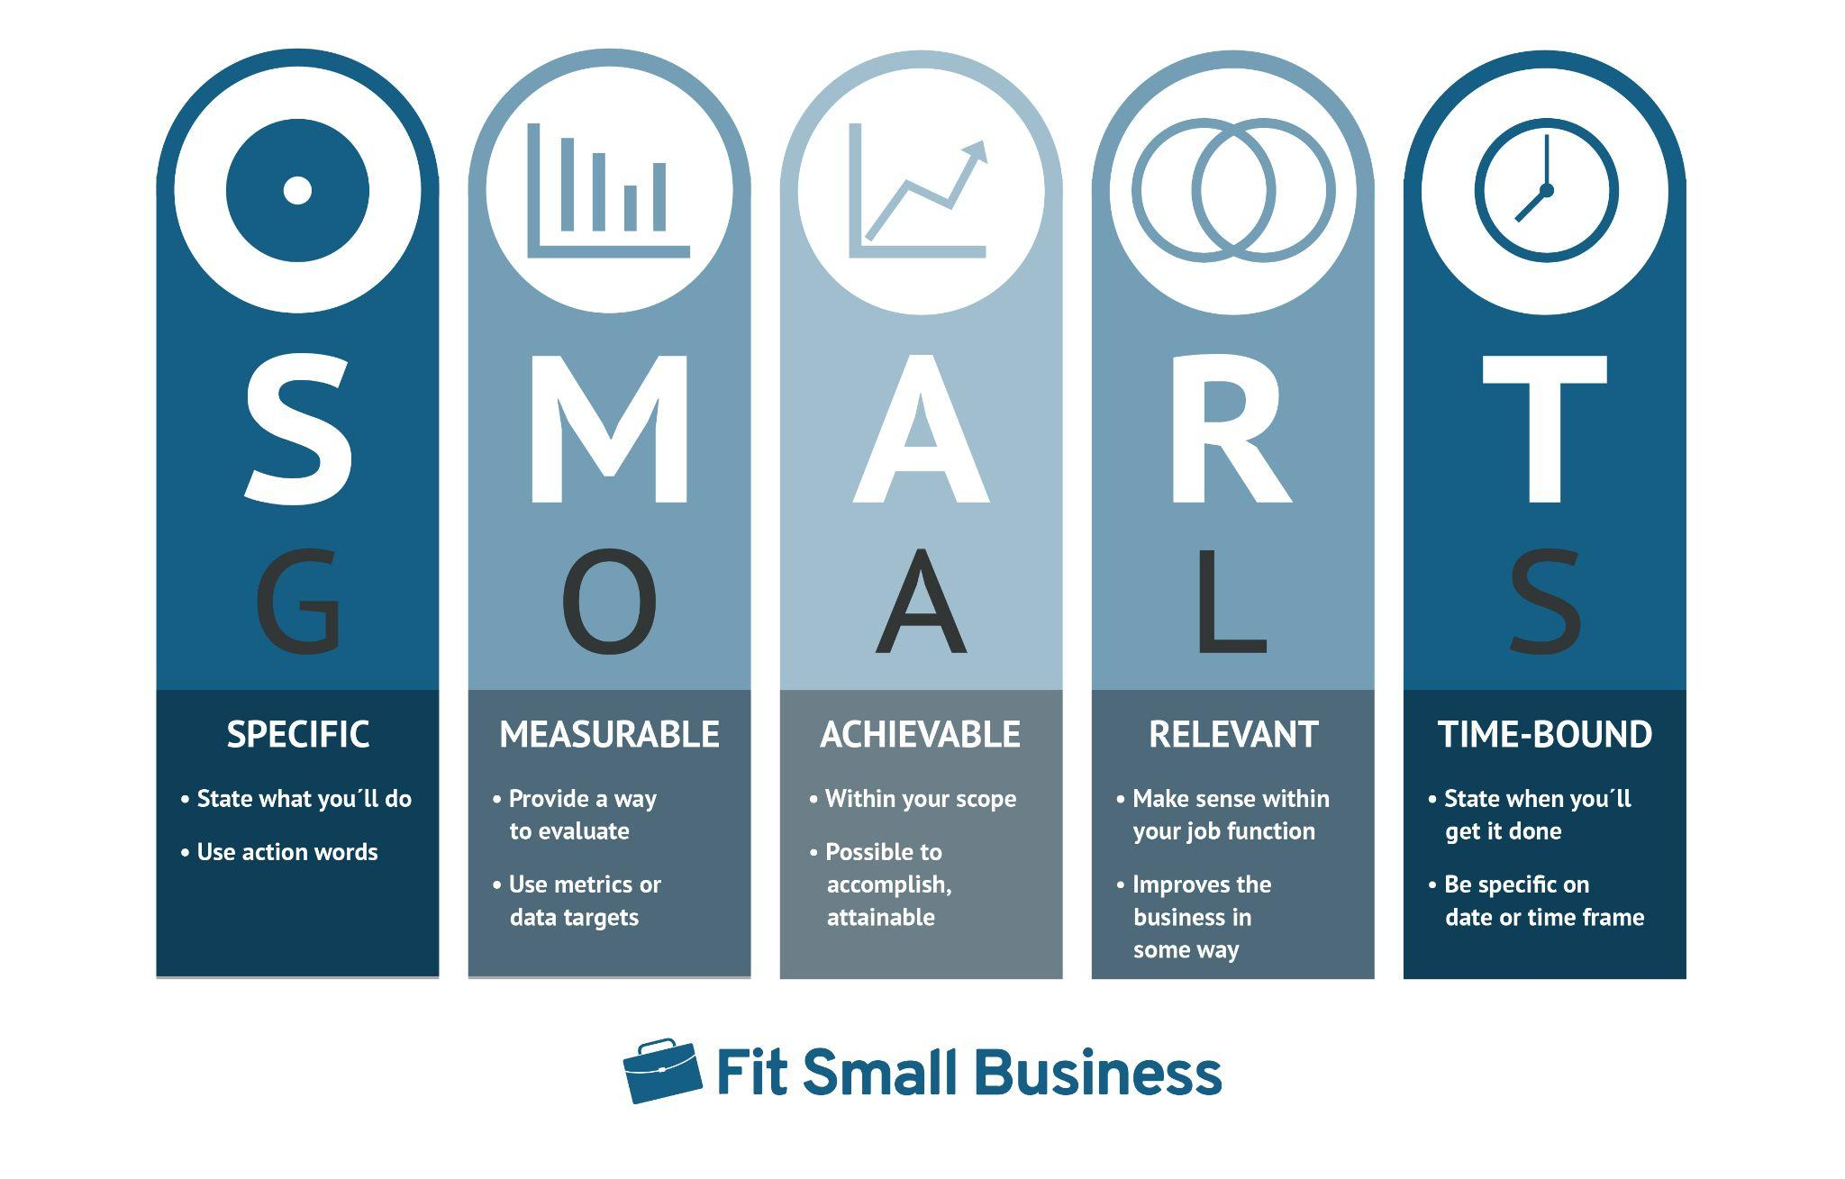
Business Goals | Business Needs
Improve sales team efficiency | Workflow automation tools
Create goals for sales teams | Sales forecasting tools

